1. Title Page
Grocery Basket Analysis

Project Name: Instacart Grocery Basket Analysis
Date: June 30, 2022
Analyst Name: Benjamin Ingram

Contents:
Population Flow
Consistency checks
Wrangling steps
Column derivations
Visualizations
Recommendations

Data Sets:
Customers Data Set
Data Dictionary
The Instacart Online Grocery Shopping Dataset 2017”, Accessed from https://www.instacart.com/datasets/grocery-shopping-2017 on June 30, 2022

2. Population Flow
Population flow

Exclusion flag
Condition: max_order < 5
Obervations to be removed: 1440295
Final total count of order_products_customsers_final: 30964564

Orders_products_combined
Orders_products_merged
Orders_products_customers_final

Total: 32404859
Total: 32434489
Total: 30964564

1.) The grey boxes in the first row of the population flow represent the original data sets as they were when you downloaded them. In the Total fields you need to add the count of the rows when you imported the data set into Jupyter.
2.) The second row of boxes (coloured) represents the data sets after you manipulated them, e.g., removed missing values and duplicates. In the Total fields you need to add the count of the rows after conducting these operations. This offers a visual oveview of how the data flows throughout the data consistency checks.
3.) The third row, where also the arrows are coloured, represents the merges you performed between the datasets. In the Total fields you need to add the count of the rows in the merged datasets, so that you end up with the final dataset (in the red box). Keep in mind the final dataset should be without exclusions (based on the exclusion flag).

3. Consistency checks
Consistency checks

Dataset | Missing values | Missing values treatment | Duplicates | Mixed-Type Data | Mixed-Type Data treatment
orders | days_since_prior_order - 206209 instances | Missing values were appropriate for customers with no prior orders. This was confirmed with a crosstab check confirming that all customers with number_of_orders_placed of 0 had a missing value. A new column "no_prior_orders" was created with boolean datatype to identify these customers | No duplicates | No mixed-type data | No mixed-type data
products | product_name- 16 instances | Dropped observations from the dataset | 5 duplicate rows were dropped from dataset | No mixed-type data | No mixed-type data
orders_products_prior | No missing values | No missing values | No duplicates | No mixed-type data | No mixed-type data
customers | first_name- 11259 instances | column dropped as it was PII and served no purpose in analysis | No duplicates | first_name | column dropped as it was PII and served no purpose in analysis

4. Wrangling steps
Wrangling steps

Columns dropped | Columns renamed | Columns' type changed | Comment/Reason
eval_set' from orders dataset |  |  | column dropped as it was label indicating a prior data set by Instacart which was irrelevant to analysis
First Name' from customers dataset |  |  | column dropped as it was PII and served no purpose in analysis
Surname' from customers dataset |  |  | column dropped as it was PII and served no purpose in analysis
 | order_dow > orders_day_of_week |  | To make representation clearer
 | order_number > number_of_orders_placed |  | To make representation clearer
 | Gender > gender |  | To align with best practice lower case formatting
 | STATE> state |  | To align with best practice lower case formatting
 | Age > age |  | To align with best practice lower case formatting
 | n_dependants > number_of_dependents |  | To make representation clearer
 | fam_status > marital_status |  | To make representation clearer
 |  | order_id | changed from integer to string as variable is categorical not quantitative
 |  | user_id | changed from integer to string as variable is categorical not quantitative
 |  | number_of_orders_placed | Changed datatype to int8 to save space and memory usage
 |  | orders_day_of_week | Changed datatype to int8 to save space and memory usage
 |  | order_hour_of_day | Changed datatype to int8 to save space and memory usage
 |  | days_since_prior_order | Changed datatype to float16 save space and memory usage
 |  | no_prior_orders | Changed datatype to string to save space and memory usage
 |  | product_id | Changed datatype to int32 to save space and memory usage
 |  | reordered | Changed datatype to int8 to save space and memory usage
 |  | add_to_cart_order | Changed datatype to int32 to save space and memory usage
 |  | order_id | Changed datatype to int32 to save space and memory usage
 |  | aisle_id | Changed datatype to int8 to save space and memory usage
 |  | department_id | Changed datatype to int8 to save space and memory usage
 |  | prices | Changed datatype to float16 save space and memory usage
 |  | age | Changed datatype to int8 to save space and memory usage
 |  | number_of_dependents | Changed datatype to int8 to save space and memory usage
 |  | income | Changed datatype to int32 to save space and memory usage

5. Column derivations
Column derivations and aggregations

In this tab you should add tables below that the frequences of flags/label variables that you produced after deriving them. NB: don't do this for continuous variables, only for flags.
Dataset | New column | Column/s it was derived from | Conditions
orders_wrangled | no_prior_orders | number_of_orders_placed | number_of_orders_placed = 1
orders_products_merged | busiest_days | orders_day_of_week | busiest days = 0,1 least busiest days = 4,3 regularly busy = all others
orders_products_merged | busiest_hours | order_hour_of_day | Most orders = 10,11,14,15,13,12,16,9 Fewest orders = 3,4,2,5,1 Average orders = all others
orders_products_merged | price_label | prices | Low range product = prices <= 5 Mid range product = 5 < prices <=15 High range product = prices > 15
orders_products_busiest_hours_days | max_order | user_id, number_of_orders_placed | maximum number of orders placed by customer
orders_products_busiest_hours_days | loyalty_flag | max_order | Loyal customer = max_order > 40 Regular customer = 10 <max_order <=40 New customer = max_order <= 10
orders_products_busiest_hours_days | avg_price | user_id, prices | The average price of orders by customer
orders_products_busiest_hours_days | spender_flag | avg_price | High spender = avg_price >= 10 Low spender = avg_price < 10
orders_products_busiest_hours_days | med_frequency | user_id, days_since_prior_order | median days since prior order by customer
orders_products_busiest_hours_days | frequency_flag | med_frequency | Frequent customer = med_frequency = 10 Regular customer = 10 < med_frequency <= 20 Non-frequent customer = med_frequency > 20
orders_products_customers_merged | region | state | Northeast = 'Maine','New Hampshire','Vermont','Massachusetts','Rhode Island','Connecticut','New York','Pennsylvania','New Jersey' Midwest = 'Wisconsin','Michigan','Illinois','Indiana','Ohio','North Dakota','South Dakota','Nebraska','Kansas','Minnesota','Iowa','Missouri' South = 'Delaware','Maryland','District of Columbia','Virginia','West Virginia','North Carolina','South Carolina','Georgia','Florida','Kentucky','Tennessee','Mississippi','Alabama','Oklahoma','Texas','Arkansas','Louisiana' West = all others
orders_products_customers_merged | spender_activity_flag | max_order | Normal activity spender = max_order >= 5 Low activity spender = max_order < 5
orders_products_customers_activity | profile | income, age, number_of_dependents, department_id, marital_status | Young professional = income > 50,000 & age <= 30 Wealthy retiree = income > 100,000 & age >= 65 High income no children = income >= 100,000 and number_of_dependents = 0 New parent = department_id = 18 & number_of_dependents >= 1 Pet owner = department_id = 8 Nuclear family = marital_status = married & number_of_dependents >= 1

no_prior_orders | frequency
True | 3214874
False | 206209

busiest_days | frequency
Busiest days | 11864412
Least busiest days | 7624336
Regularly busy | 12916111

busiest_hours | frequency
Most orders | 21118071
Fewest orders | 377559
Average orders | 10909229

price_label | frequency
Low range product | 10126321
Mid range product | 21860860
High range product | 417678

price_label | frequency
Low range product | 10126321
Mid range product | 21860860
High range product | 417678

loyalty_flag | frequency
Loyal customer | 10284093
Regular customer | 15876776
New customer | 6243990

spender_flag | frequency
High spender | 634245
Low spender | 31770614

frequency_flag | frequency
Frequent customer | 21559853
Regular customer | 7208564
Non-frequent customer | 3636437

region | frequency
Northeast | 5722736
Midwest | 7597325
South | 10791885
West | 8292913

spender_activity_flag | frequency
Normal activity spender | 30964564
Low activity spender | 1440295

profile | frequency
Young professional | 2498663
Wealthy retiree | 5741763
High income no children | 2142084
New parent | 19381
Pet owner | 23919
Nuclear family | 17422008

6. Visualizations
Visualisations

In this tab you should include all the visualtions from Exercises 4.9 and 4.10, alongside the questions from the project brief that they answer. Include any commentary on the relationship between different variables.


Key Question 1.
The sales team needs to know what the busiest days of the week and hours of the day are (i.e., the days and times with the most orders) in order to schedule ads at times when there are fewer orders


The busiest days of the week are Saturday and Sunday and the busiest hours of the day are between 10am and 4pm.

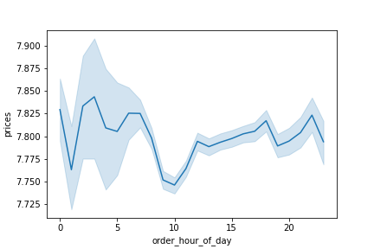
Key Question 2.
They also want to know whether there are particular times of the day when people spend the most money, as this might inform the type of products they advertise at these times.

Prices do not vary greatly across hours of the day but do drop moderately around 1-2am and again at 10am


Key Question 3.
Instacart has a lot of products with different price tags. Marketing and sales want to use simpler price range groupings to help direct their efforts.
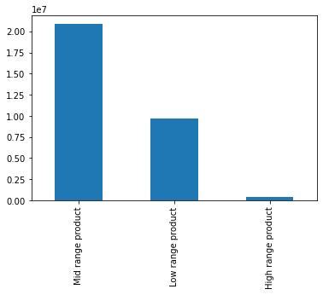

Key Question 4.
Are there certain types of products that are more popular than others? The marketing and sales teams want to know which departments have the highest frequency of product orders.
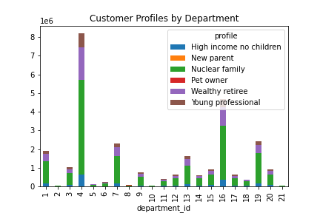

The produce and dairy/eggs departments have the highest number of orders among customer profiles

Key Question 5.
The marketing and sales teams are particularly interested in the different types of customers in their system and how their ordering behaviors differ

● What’s the distribution among users in regards to their brand loyalty (i.e., how often do they return to Instacart)?
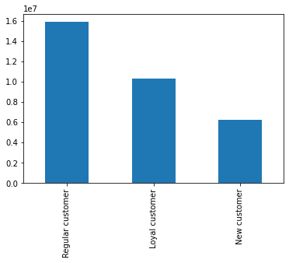

The leftmost bar represents regular customers, the middle bar represents loyal customers, and the rightmost bar new customers.

● Are there differences in ordering habits based on a customer’s loyalty status?
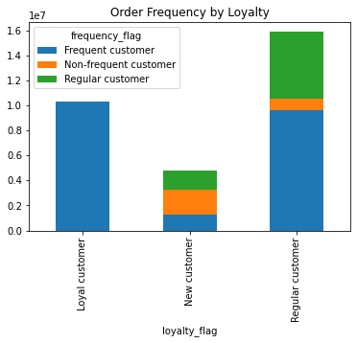
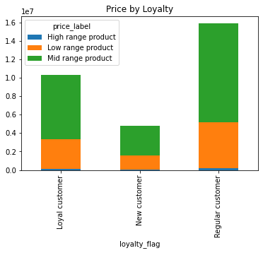
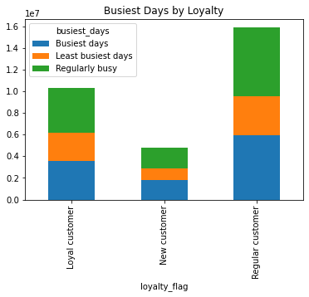

● Are there differences in ordering habits based on a customer’s region?
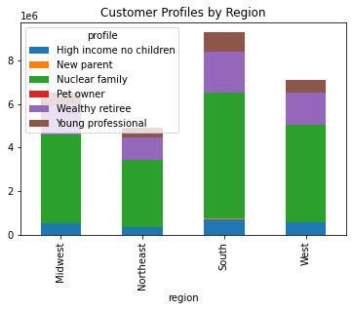
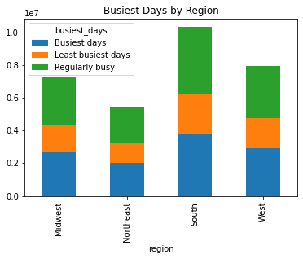
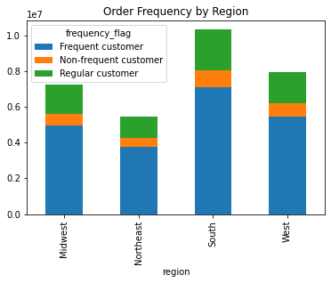
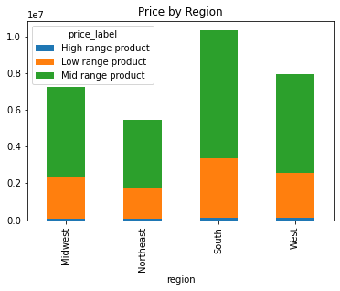

The southern region places the most orders, followed by the west, midwest, and northeast

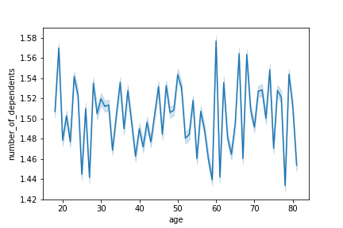
● Is there a connection between age and family status in terms of ordering habits?

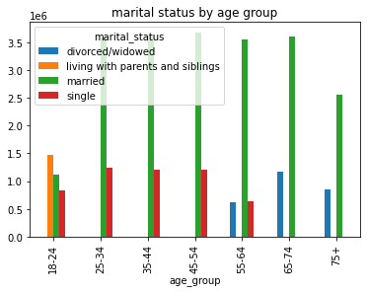

● What different classifications does the demographic information suggest? Age? Income? Certain types of goods? Family status?
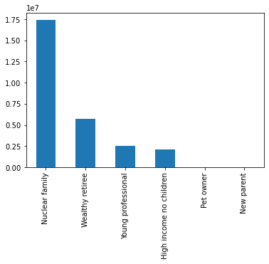

● What differences can you find in ordering habits of different customer profiles? Consider the price of orders, the frequency of orders, the products customers are ordering, and anything else you can think of.
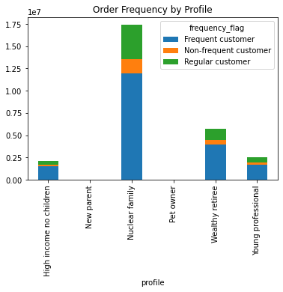
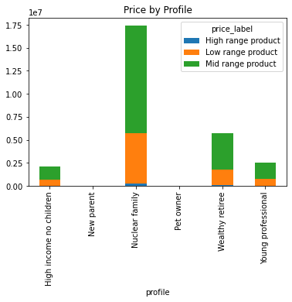
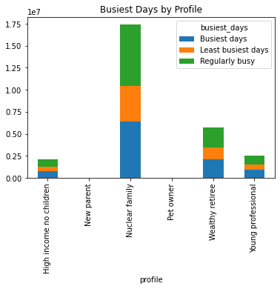
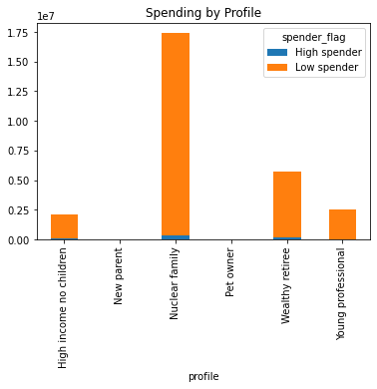

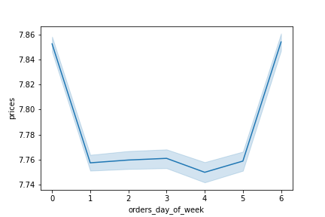

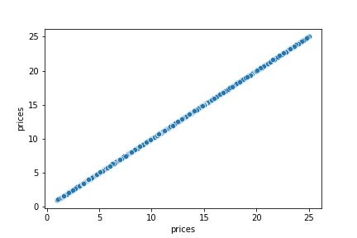
Etc

7. Recommendations
 |  | Key Question 4

Recommendations

In this tab you should include any recommendations you would made to Instcart in terms of their marketing strategy based on the questions posed in the brief. Every key question has been covered in the Tasks of the Exercises - here you need to add an item - a visualisation or table/crosstable that is showing the answer in the data, acompanied by a comment from you. Please, list the questions below and add the answer underneath.

Question
Key Question 1: The sales team needs to know what the busiest days of the week and hours of the day are (i.e., the days and times with the most orders) in order to schedule ads at times when there are fewer orders.

 |  |  | 0 6204182
 |  |  | 1 5660230
 |  |  | 6 4496490
 |  |  | 2 4213830
 |  |  | 5 4205791
 |  |  | 3 3840534
 |  |  | 4 3783802

Answer
The busiest days of the week for instacart are Saturday and Sunday. Orders then decrease daily, Monday through Wednesday and start to increase again on Thursday. The busiest hours of the day are from 10am-4pm. I recommend that the sales team schedule ads on Tuesday or Wednesday, early in the morning or later in the evening if the goal is to schedule them at times when there are fewer orders.

Question
Key Question 2: They also want to know whether there are particular times of the day when people spend the most money, as this might inform the type of products they advertise at these times.

Answer
Prices do not vary greatly across hours of the day but do drop moderately around 1-2am and again at 10am. The orders with the highest prices are placed between 3-7am, with another peak in prices around 11pm. I recommend Instacart advertise more expensive items during this time to maximize revenue.

Question
Key Question 3: Instacart has a lot of products with different price tags. Marketing and sales want to use simpler price range groupings to help direct their efforts.

Answer
The majority of Instacart products are priced between $5 and $15. A moderate number of products are priced lower than $5, and very few products are priced over $15. I recommend using 3 different price range groupings, Low Range for products $5 or less, Mid Range for products $6-$15, and High Range for products priced higher than $15.

Question
Key Question 4: Are there certain types of products that are more popular than others? The marketing and sales teams want to know which departments have the highest frequency of product orders.

Answer
The produce department by far makes up the largest number of orders, followed by dairy/eggs department. The frozen, beverages, pantry, and snacks departments also sell better than other department's products. I recommend maintaining high inventory for these departments to help meet demand and maximize profit. I would recommend the marketing team also advertise departments not listed above or implement promotions to raise awareness and interest in less popular departments.

Question
Key Question 5: What’s the distribution among users in regards to their brand loyalty (i.e., how often do they return to Instacart)?

 | Regular customer 15876776
 | Loyal customer 10284093
 | New customer 6243990
 | Name: loyalty_flag, dtype: int64

Answer
The highest category of customer loyalty are customers placing between 11 and 40 orders, which could be considered the regular customer base. Loyal customers, or customers placing more than 40 orders, are the second largest customer loyalty group, and new customers, placing 10 or fewer orders, are the smallest group. The New Customer group is pretty large, so I recommend creating a customer loyalty program to reward frequent shoppers in order to incentivize these customers to place more orders.

Question
Key Question 6: Are there differences in ordering habits based on a customer’s loyalty status?

Answer
Loyal customers are nearly all frequent customers, with median order frequency of 10 or fewer days between orders. Conversely, New Customers have the highest portion of infrequent customers with more than 20 days between orders. There are no significant differences in the order prices and shopping days between customer loyalty groups. I recommend the marketing team send out customer satisfaction and behavior surveys to better understand the reason why New Customers return, but less frequently than other loyalty groups.

Question
Key Question 7: Are there differences in ordering habits based on a customer’s region?

Answer
While the number of orders differs among region, it appears that ordering habits are roughly the same across regions. The region with the largest number of customer orders is the south, followed by the west, midwest, and northeast. However, customer profile breakdown, busiest shopping days, order frequency, and price all share similar proportions across regions. Because ordering habits are similar, I recommend using similar sales and advertising strategies for each of the regions for the areas analysed.

Question
Key Question 8: Is there a connection between age and family status in terms of ordering habits?

Answer
Family status distribution is nearly identical for ages 25-54 with most customers in that age range being married, and a smaller minority being single. No other family statuses are present across those ages. A significantly higher proportion of ages 18-24 are single, and this age group is the only to have customers living with parents and siblings, which is the largest percentage of the age group. Divorced/widowed customers only exist in ages 55+, and all customers above the age of 65 are either married or divorced/widowed. None of these older age groups include single customers. For ages 25+ I recommend a focusing on a family oriented marketing strategy due to the large presence of married customers with 1-2 children. Advertising for customers younger than 25 should be geared less towards families and more towards the individual consumer and their personal purchases.

Question
Key Question 9: What different classifications does the demographic information suggest? Age? Income? Certain types of goods? Family status?

Answer
The demographic information suggests a significant population of customers belonging to the typical nuclear family, made up of a married couple and their children. There is also a sizable senior population aged 65+ with incomes greater than $100k, which I labled as wealthy retirees. A young professional profile exists for customers younger than 30 with an income of at least $50k. A high income no children profile also exists for customers with incomes of at least $100k with no dependents. Surprisingly, there were no customers meeting the dual income (married) no kids profile, as all married customers had at least 1 dependent. I also created a pet owner profile of customers making purchases from the pet department, and a new parent profile for married customers with at least 1 dependent and a purchase from the baby aisle. However, both of these profiles based on types of goods resulted in negligible profile sizes.

Question
Key Question 10: What differences can you find in ordering habits of different customer profiles? Consider the price of orders, the frequency of orders, the products customers are ordering, and anything else you can think of.

Answer
All profiles followed similar order frequencies, with the majority of each profile consisting of frequent shoppers. The proportions of high, mid, and low priced orders, shopping days, and spending are also similar across profiles. I expected to see bigger differences in the price and spending of different profiles due to income differences, but this was not observed. Similarly, even though customers older than 65 are likely no longer working, and have increased flexibility for when to shop, noteworthy differences in the shopping days was not observed. Outside of the pet owner and new parent profiles which were built off specific department orders, no significant differences were found in the departments each profile shopped in either. It seems that largely, customers across demographics are using Instacart similarly.

